Sheet1
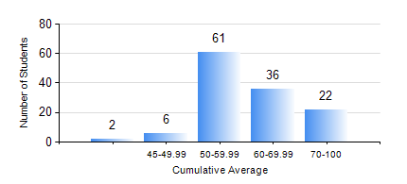
 |  |  | KWAME NKRUMAH UNIVERSITY OF SCIENCE AND TECHNOLOGY, KUMASI Department of Computer Engineering

 |  |  | BSC. COMPUTER ENG.

 |  |  | COMPREHENSIVE RECORD OF EXAMINATION RESULTS

 |  |  | RESULTS OF YEAR 3 SECOND SEMESTER, 2019/2020 ACADEMIC YEAR

 | Sn | Course Code |  | Course Name | Credit Hours | Min. Mark | Max. Mark | Avg. Mark | Std. Dev. | No. Passed | No. Trailed | No. (Df) | No. (I) | No. (I*) | No. Tagged(I,I*,Df) | Total
 | 0. |  |  |  |  |  |  | 0 | 0 | 0 | 0 | 0 | 0 | 0 | 0 | 5
 | 1. | COE 354 |  | OPERATING SYSTEMS | 4 | 8 | 86 | 64 | 10.73 | 120 | 1 | 0 | 1 | 0 | 1 | 122
 | 2. | COE 356 |  | INTRODUCTION TO SOFTWARE ENG. | 3 | 40 | 100 | 65 | 14.41 | 120 | 0 | 0 | 2 | 0 | 2 | 122
 | 3. | COE 358 |  | EMBEDDED SYSTEMS | 3 | 50 | 74 | 61 | 5.15 | 121 | 0 | 0 | 1 | 0 | 1 | 122
 | 4. | COE 368 |  | DATABASE AND INFORMATION RETRIEVAL | 3 | 40 | 93 | 78 | 8.83 | 120 | 0 | 0 | 2 | 0 | 2 | 122
 | 5. | COE 382 |  | DIGITAL COMPUTER DESIGN | 3 | 40 | 90 | 62 | 15.22 | 121 | 0 | 0 | 1 | 0 | 1 | 122
 | 6. | COE 392 |  | AUTOTRONIC LAB. | 2 | 45 | 75 | 72 | 5.44 | 121 | 0 | 0 | 1 | 0 | 1 | 122

